Cofree Loading
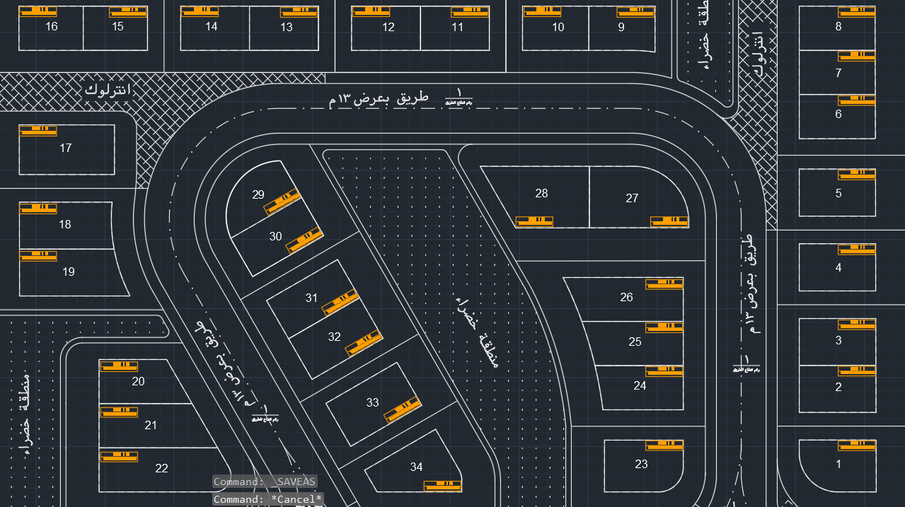
Item | Connected Load |  | Diversity Factor | Max. Demand | Cofree Type | Cofree Number.
 | Villa | Cofree |  | Cofree
Villa -1 | 28.93 | 28.93 | 1 | 28.93 | C9 | 1
Villa -2 | 28.33 | 56.61 | 0.8 | 45.29 | C12 | 2
Villa -3 | 28.29
Villa -4 | 28.36 | 28.36 | 1 | 28.36 | C9 | 3
Villa -5 | 28.30 | 28.30 | 1 | 28.30 | C9 | 4
Villa -6 | 26.44 | 52.84 | 0.8 | 42.27 | C12 | 5
Villa -7 | 26.40
Villa -8 | 26.37 | 26.37 | 1 | 26.37 | C9 | 6
Villa -9 | 23.15 | 46.19 | 0.8 | 36.96 | C12 | 7
Villa -10 | 23.04
Villa -11 | 23.95 | 47.90 | 0.8 | 38.32 | C12 | 8
Villa -12 | 23.95
Villa -13 | 23.95 | 47.90 | 0.8 | 38.32 | C12 | 9
Villa -14 | 23.95
Villa -15 | 22.33 | 44.68 | 0.8 | 35.75 | C12 | 10
Villa -16 | 22.35 |  |  |  |  |  | 68
Villa -17 | 37.25 | 37.25 | 1 | 37.25 | C9 | 11
Villa -18 | 34.19 | 71.59 | 0.8 | 57.27 | C12 | 12
Villa -19 | 37.40
Villa -20 | 27.90 | 64.67 | 0.8 | 51.74 | C12 | 13
Villa -21 | 36.77
Villa -22 | 44.16 | 44.16 | 1 | 44.16 | C9 | 14
Villa -23 | 31.13 | 31.13 | 1 | 31.13 | C9 | 15
Villa -24 | 29.19 | 62.03 | 0.8 | 49.62 | C12 | 16
Villa -25 | 32.84
Villa -26 | 38.24 | 38.24 | 1 | 38.24 | C9 | 17
Villa -27 | 42.94 | 42.94 | 0.8 | 34.36 | C9 | 18
Villa -28 | 44.35 | 44.35 |  | 35.48 | C9 | 19
Villa -29 | 26.19 | 54.63 | 0.8 | 43.70 | C12 | 20
Villa -30 | 28.43
Villa -31 | 28.53 | 58.84 | 0.8 | 47.07 | C12 | 21
Villa -32 | 30.31
Villa -33 | 32.09 | 32.09 | 1 | 32.09 | C9 | 22
Villa -34 | 30.77 | 30.77 | 1 | 30.77 | C9 | 23
Number Of Cofree |  |  |  |  |  | 23
Max. Demand Load at Div. Factor 0.8 (KVA) |  |  |  |  |  | 882

